Tarea 1
Val Inicial | x0 | 0
Val Final | x1 | 1.1812
 | N segmentos | 12
 | dof | 10

width | W | 0.098433333333 |  | W/3 | 0.032811111111

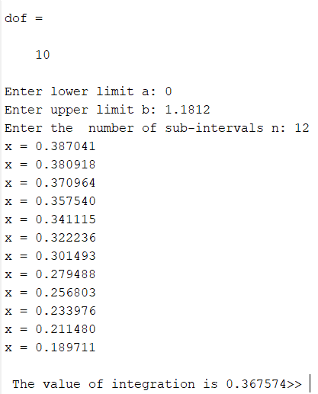
 | x | f(x)=..
 |  | p1 | p2 | Cons | f(x) | Mult | Term
0 | 0 | 1 | 1.0000000 | 0.389108384 | 0.389108384 | 1 | 0.012767078421
1 | 0.098433333333 | 1.0009689121 | 0.9946877 | 0.389108384 | 0.387041333 | 4 | 0.05079702469
2 | 0.19686666667 | 1.0038756484 | 0.9789498 | 0.389108384 | 0.380917593 | 2 | 0.024996658945
3 | 0.2953 | 1.008720209 | 0.9533690 | 0.389108384 | 0.370963875 | 4 | 0.048686947647
4 | 0.39373333333 | 1.0155025938 | 0.9188705 | 0.389108384 | 0.357540205 | 2 | 0.023462582792
5 | 0.49216666667 | 1.0242228028 | 0.8766588 | 0.389108384 | 0.341115274 | 4 | 0.044769484579
6 | 0.5906 | 1.034880836 | 0.8281387 | 0.389108384 | 0.322235729 | 2 | 0.021145824609
7 | 0.68903333333 | 1.0474766934 | 0.7748292 | 0.389108384 | 0.301492533 | 4 | 0.039569220051
8 | 0.78746666667 | 1.0620103751 | 0.7182768 | 0.389108384 | 0.279487514 | 2 | 0.018340591768
9 | 0.8859 | 1.078481881 | 0.6599778 | 0.389108384 | 0.256802884 | 4 | 0.033703951798
10 | 0.98433333333 | 1.0968912111 | 0.6013128 | 0.389108384 | 0.233975846 | 2 | 0.015354014975
11 | 1.0827666667 | 1.1172383654 | 0.5434979 | 0.389108384 | 0.211479592 | 4 | 0.027755521593
12 | 1.1812 | 1.139523344 | 0.4875535 | 0.389108384 | 0.189711144 | 1 | 0.006224633425

 |  | 12.490269528 | 9.84857 |  |  | Suma | 0.36757354

Tarea 2
Val Inicial | x0 | 0
Val final | x1 | 2.75
 | num_segmentos | 32
 | dof | 30

width | W | 0.0859375 |  | W/3 | 0.028645833333

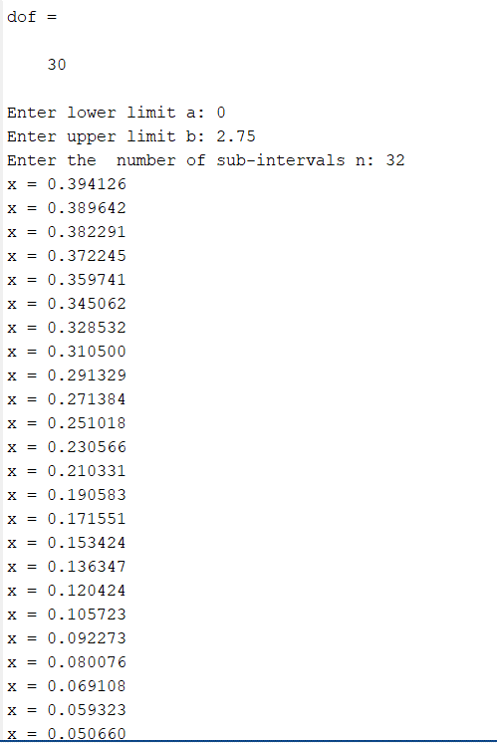
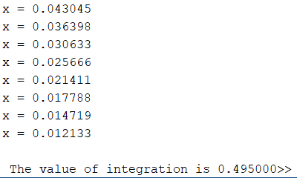
 | x | f(x)=..
 |  | p1 | p2 | Cons | f(x) | Mult | Term
0 | 0 | 1 | 1.0000000 | 0.395632185 | 0.395632185 | 1 | 0.01133321363
1 | 0.0859375 | 1.0002461751 | 0.9961920 | 0.395632185 | 0.394125627 | 4 | 0.045160228091
2 | 0.171875 | 1.0009847005 | 0.9848604 | 0.395632185 | 0.389642482 | 2 | 0.022323267185
3 | 0.2578125 | 1.0022155762 | 0.9662782 | 0.395632185 | 0.382290775 | 4 | 0.04380415129
4 | 0.34375 | 1.0039388021 | 0.9408877 | 0.395632185 | 0.372245447 | 2 | 0.021326562085
5 | 0.4296875 | 1.0061543783 | 0.9092815 | 0.395632185 | 0.359741038 | 4 | 0.04122032727
6 | 0.515625 | 1.0088623047 | 0.8721790 | 0.395632185 | 0.345062081 | 2 | 0.019769181746
7 | 0.6015625 | 1.0120625814 | 0.8303970 | 0.395632185 | 0.328531796 | 4 | 0.037644268323
8 | 0.6875 | 1.0157552083 | 0.7848192 | 0.395632185 | 0.310499723 | 2 | 0.017789046647
9 | 0.7734375 | 1.0199401855 | 0.7363632 | 0.395632185 | 0.291328997 | 4 | 0.033381447568
10 | 0.859375 | 1.024617513 | 0.6859501 | 0.395632185 | 0.271383917 | 2 | 0.015548036928
11 | 0.9453125 | 1.0297871908 | 0.6344742 | 0.395632185 | 0.251018419 | 4 | 0.028762527178
12 | 1.03125 | 1.0354492187 | 0.5827785 | 0.395632185 | 0.230565934 | 2 | 0.013209506625
13 | 1.1171875 | 1.041603597 | 0.5316327 | 0.395632185 | 0.210331013 | 4 | 0.024100428607
14 | 1.203125 | 1.0482503255 | 0.4817175 | 0.395632185 | 0.190582940 | 2 | 0.010918814274
15 | 1.2890625 | 1.0553894043 | 0.4336134 | 0.395632185 | 0.171551415 | 4 | 0.019656932938
16 | 1.375 | 1.0630208333 | 0.3877952 | 0.395632185 | 0.153424277 | 2 | 0.0087899325543
17 | 1.4609375 | 1.0711446126 | 0.3446310 | 0.395632185 | 0.136347112 | 4 | 0.015623106568
18 | 1.546875 | 1.0797607422 | 0.3043850 | 0.395632185 | 0.120424499 | 2 | 0.0068993202334
19 | 1.6328125 | 1.088869222 | 0.2672245 | 0.395632185 | 0.105722621 | 4 | 0.012114050294
20 | 1.71875 | 1.0984700521 | 0.2332290 | 0.395632185 | 0.092272904 | 2 | 0.005286468437
21 | 1.8046875 | 1.1085632324 | 0.2024010 | 0.395632185 | 0.080076360 | 4 | 0.009175416279
22 | 1.890625 | 1.119148763 | 0.1746782 | 0.395632185 | 0.069108333 | 2 | 0.0039593315992
23 | 1.9765625 | 1.1302266439 | 0.1499457 | 0.395632185 | 0.059323358 | 4 | 0.0067974681193
24 | 2.0625 | 1.141796875 | 0.1280480 | 0.395632185 | 0.050659913 | 2 | 0.0029023908431
25 | 2.1484375 | 1.1538594564 | 0.1088002 | 0.395632185 | 0.043044875 | 4 | 0.0049322252834
26 | 2.234375 | 1.166414388 | 0.0919985 | 0.395632185 | 0.036397551 | 2 | 0.0020852763355
27 | 2.3203125 | 1.1794616699 | 0.0774285 | 0.395632185 | 0.030633190 | 4 | 0.0035100529995
28 | 2.40625 | 1.1930013021 | 0.0648733 | 0.395632185 | 0.025665953 | 2 | 0.0014704452099
29 | 2.4921875 | 1.2070332845 | 0.0541192 | 0.395632185 | 0.021411313 | 4 | 0.0024533796097
30 | 2.578125 | 1.2215576172 | 0.0449608 | 0.395632185 | 0.017787925 | 2 | 0.0010190998802
31 | 2.6640625 | 1.2365743001 | 0.0372037 | 0.395632185 | 0.014718999 | 4 | 0.0016865519167
32 | 2.75 | 1.2520833333 | 0.0306680 | 0.395632185 | 0.012133231 | 1 | 0.00034756652238

 |  | 12.124564616 | 10.34168 |  |  | Suma | 0.49500002

